Orbitals of BPY
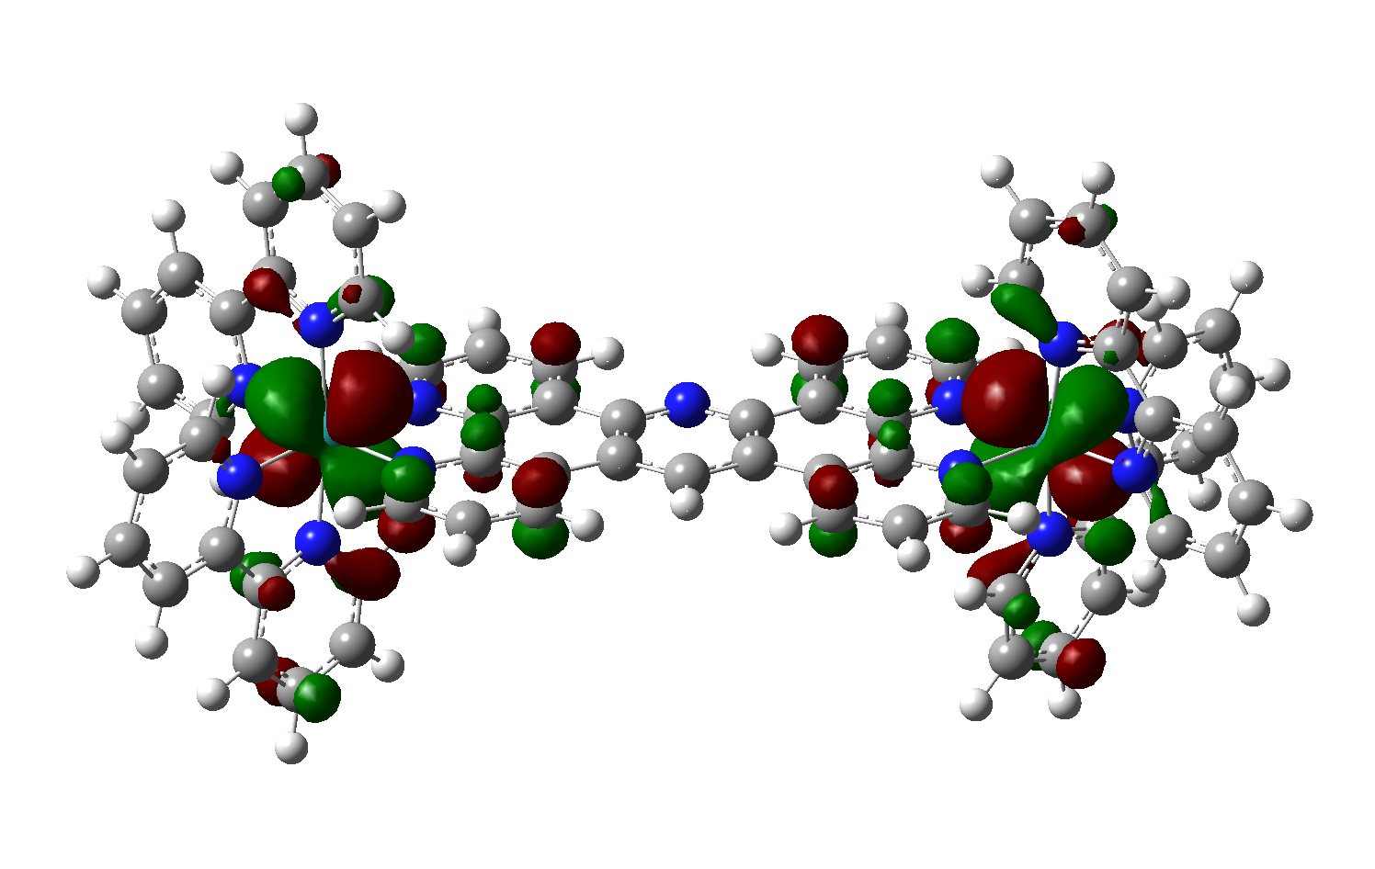
Orbital | Energy (hartree) | Energy (eV)
272 | -0.2085 | -5.67
273 | -0.2084 | -5.67
274 | -0.2084 | -5.67
275 | -0.2079 | -5.66

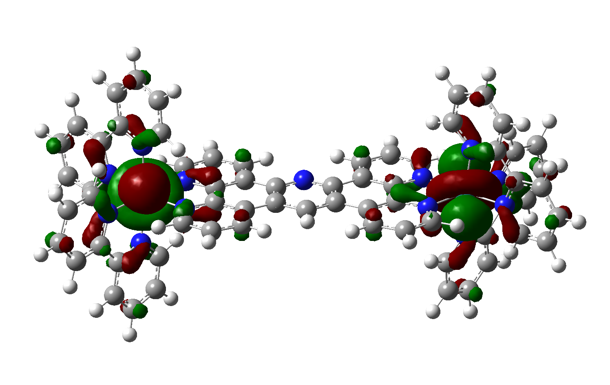
276 | -0.1977 | -5.38
277 | -0.1977 | -5.38 | HOMO

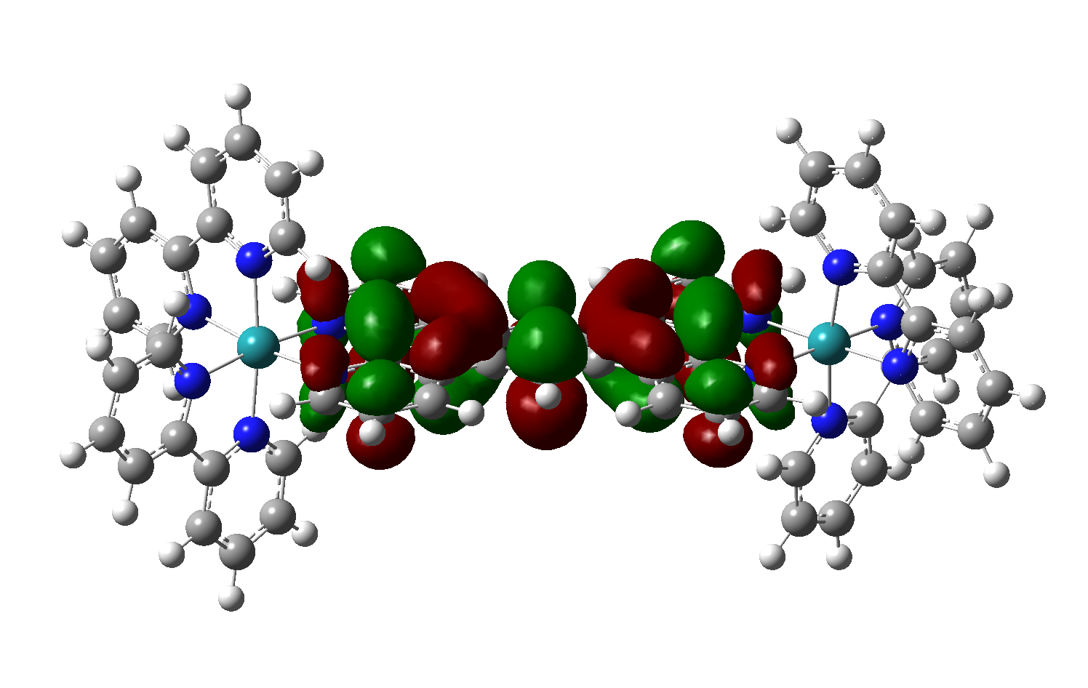
278 | -0.1299 | -3.53

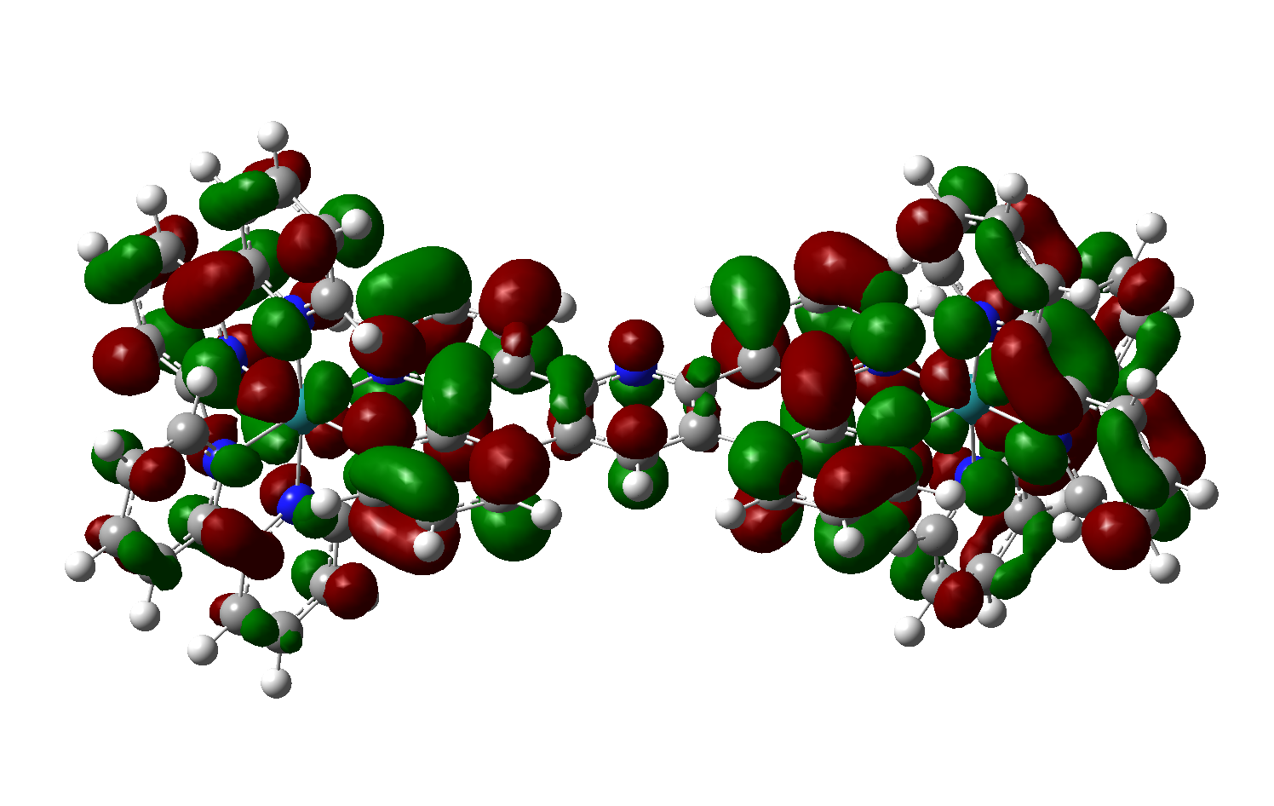
279 | -0.1243 | -3.38
280 | -0.1239 | -3.37
281 | -0.1231 | -3.35
282 | -0.1194 | -3.25
283 | -0.1189 | -3.24

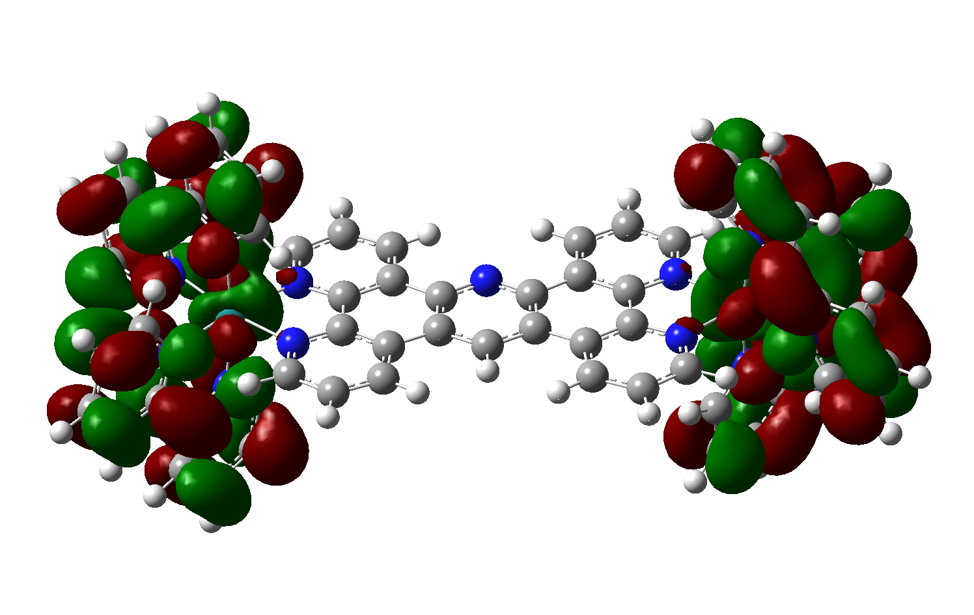
284 | -0.1185 | -3.22
285 | -0.1185 | -3.22

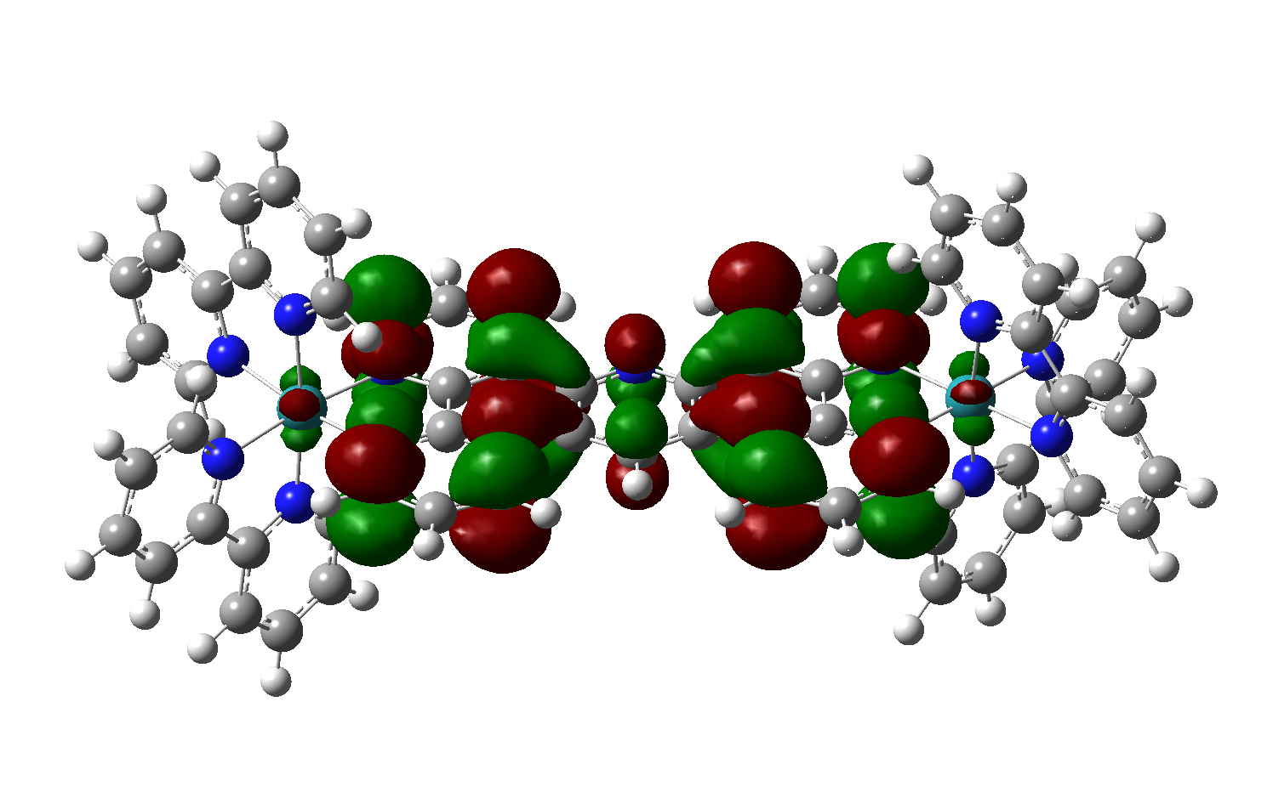
286 | -0.0960 | -2.61

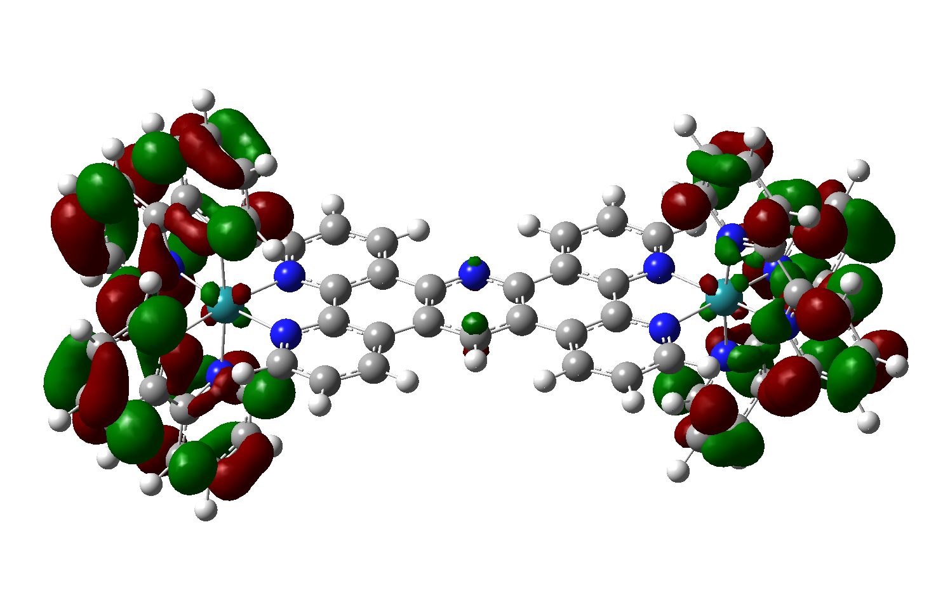
287 | -0.0921 | -2.51
288 | -0.0910 | -2.48

Orbitals of BPY-OMe
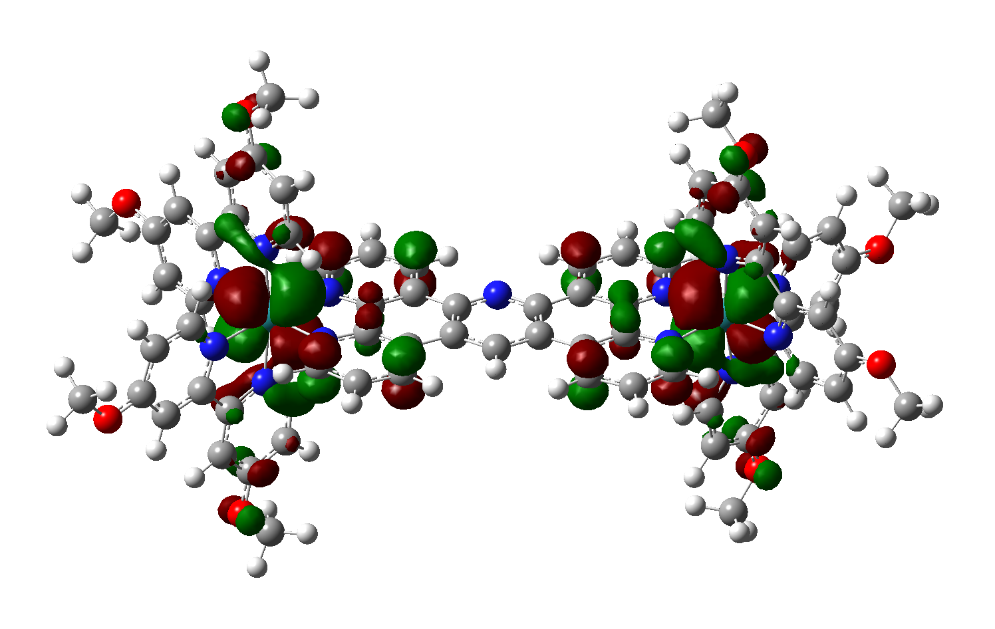
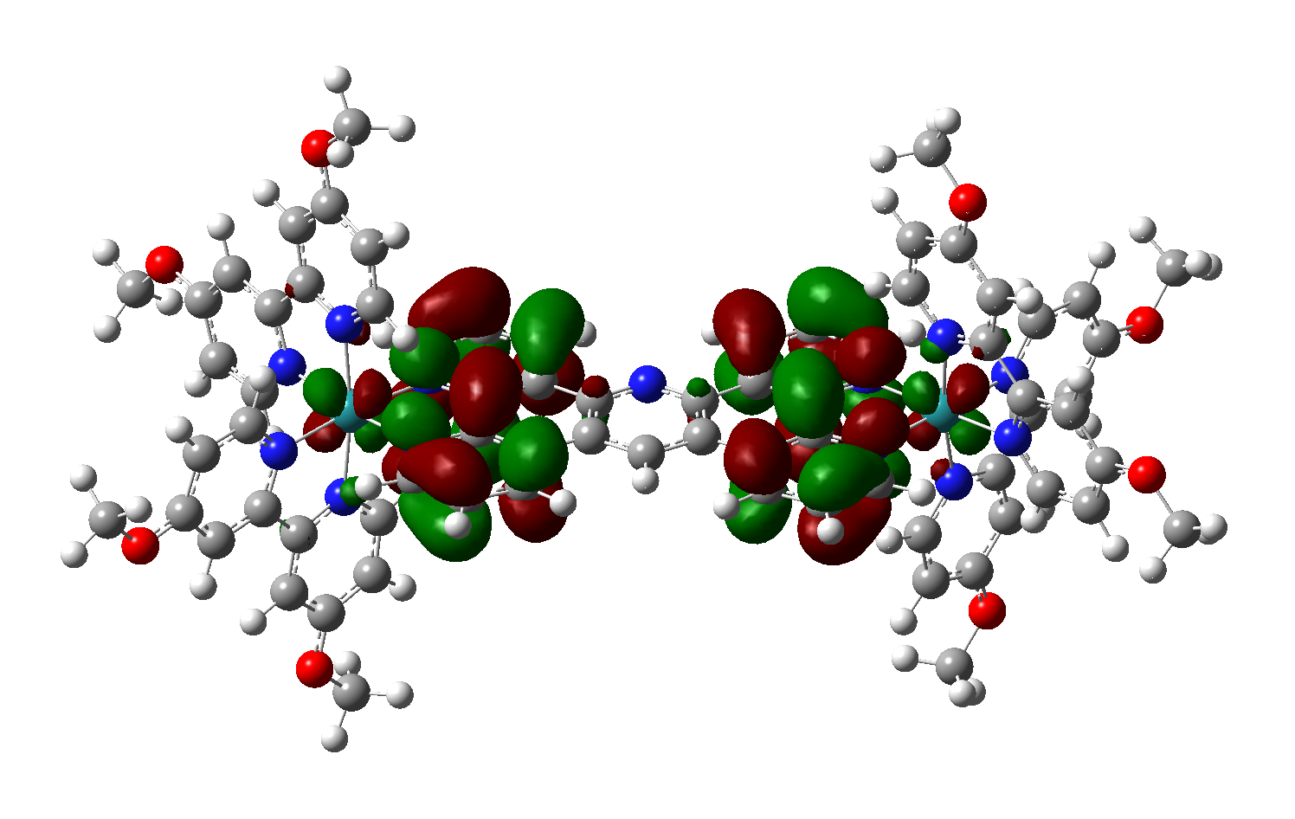
Orbital | Energy (hartree) | Energy (eV)
336 | -0.1975 | -5.37
337 | -0.1971 | -5.36
338 | -0.1937 | -5.27
339 | -0.1937 | -5.27

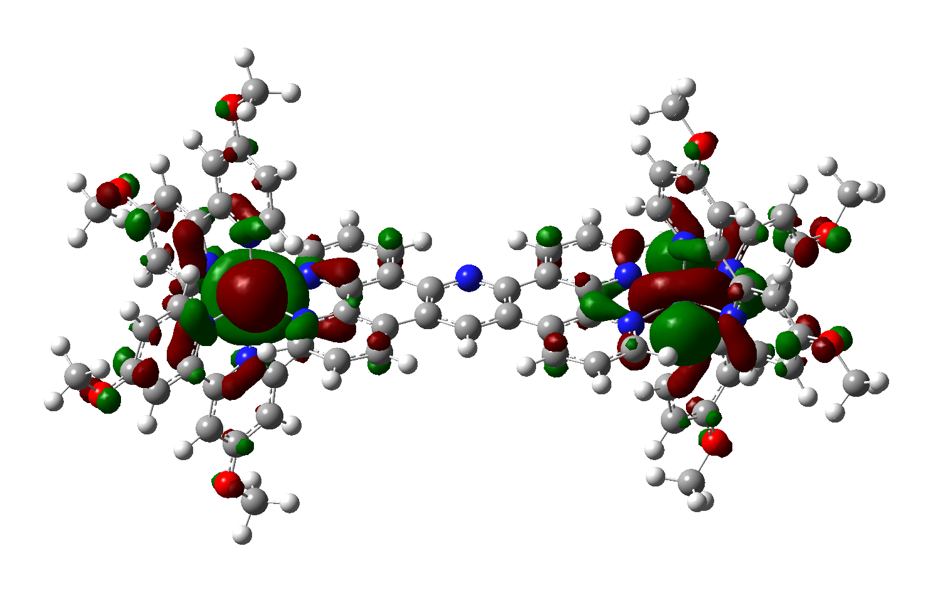
340 | -0.1868 | -5.08
341 | -0.1866 | -5.08 | HOMO

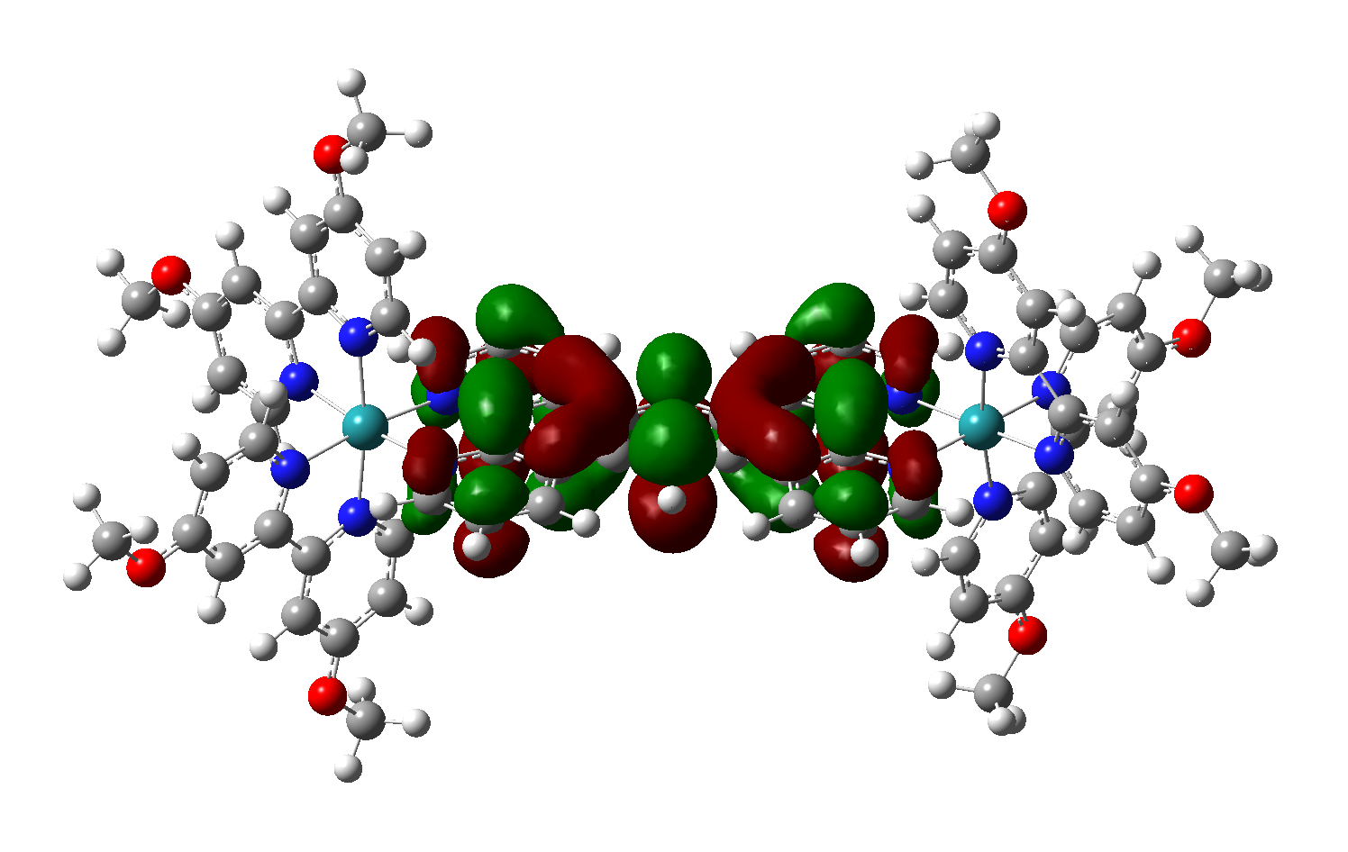
342 | -0.1266 | -3.44

343 | -0.1209 | -3.29
344 | -0.1178 | -3.21
345 | -0.1167 | -3.18

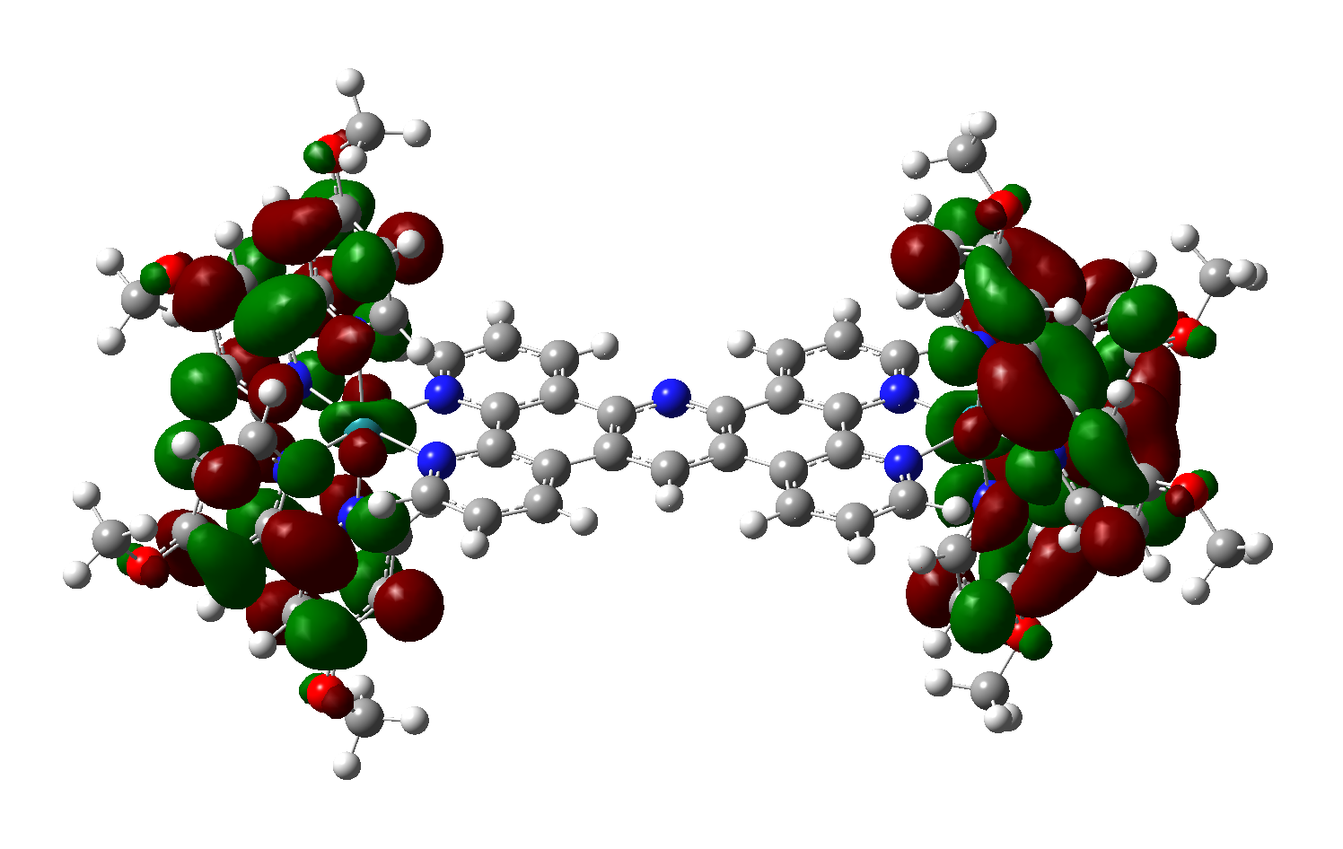
346 | -0.1098 | -2.99
347 | -0.1098 | -2.99
348 | -0.1073 | -2.92
349 | -0.1072 | -2.92

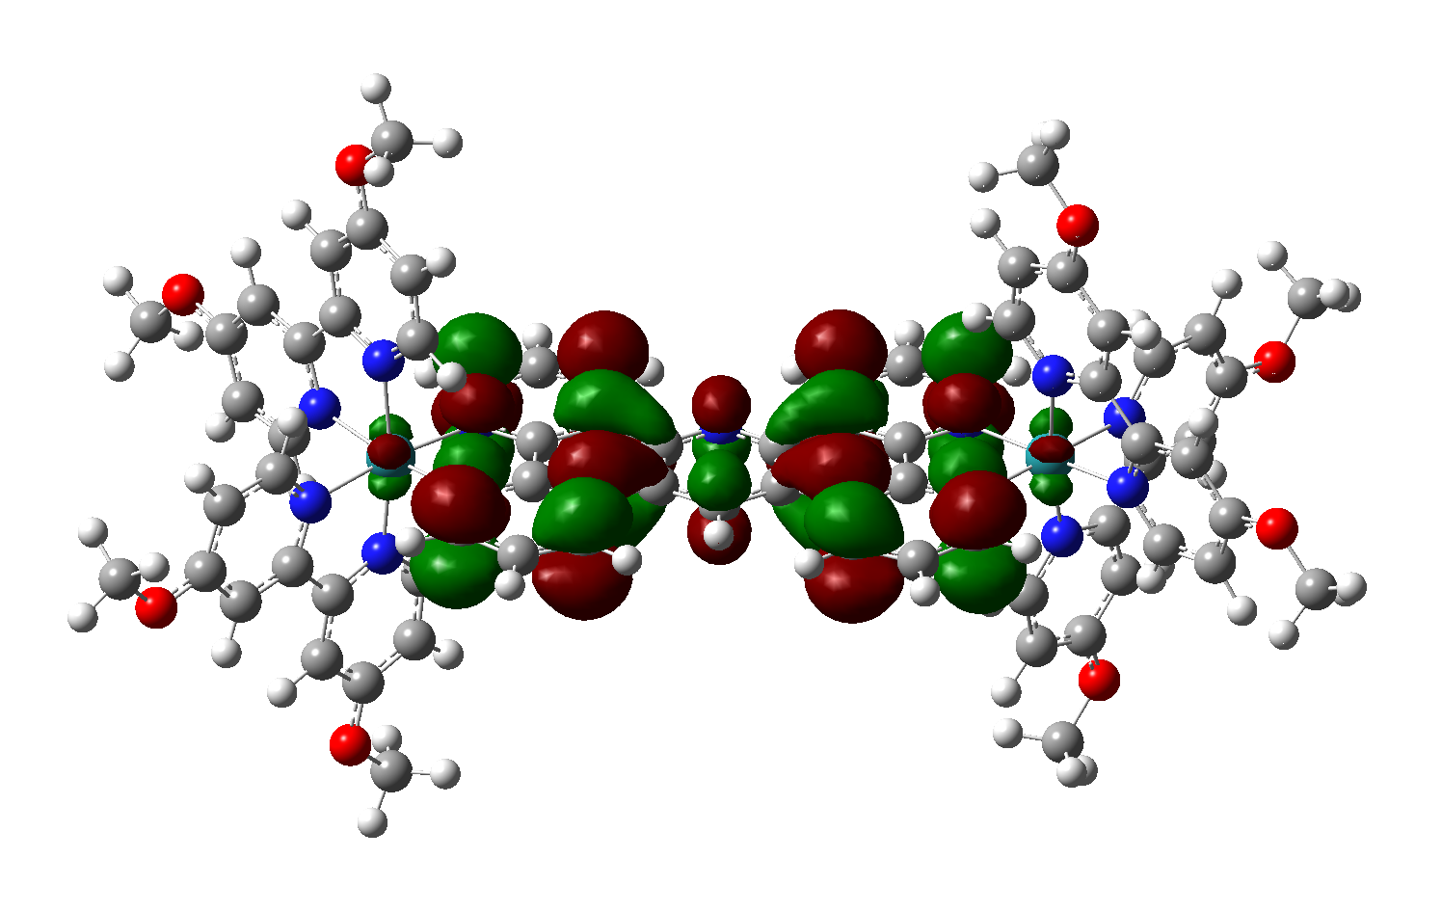
350 | -0.0924 | -2.51

Orbitals of BPY-CF3
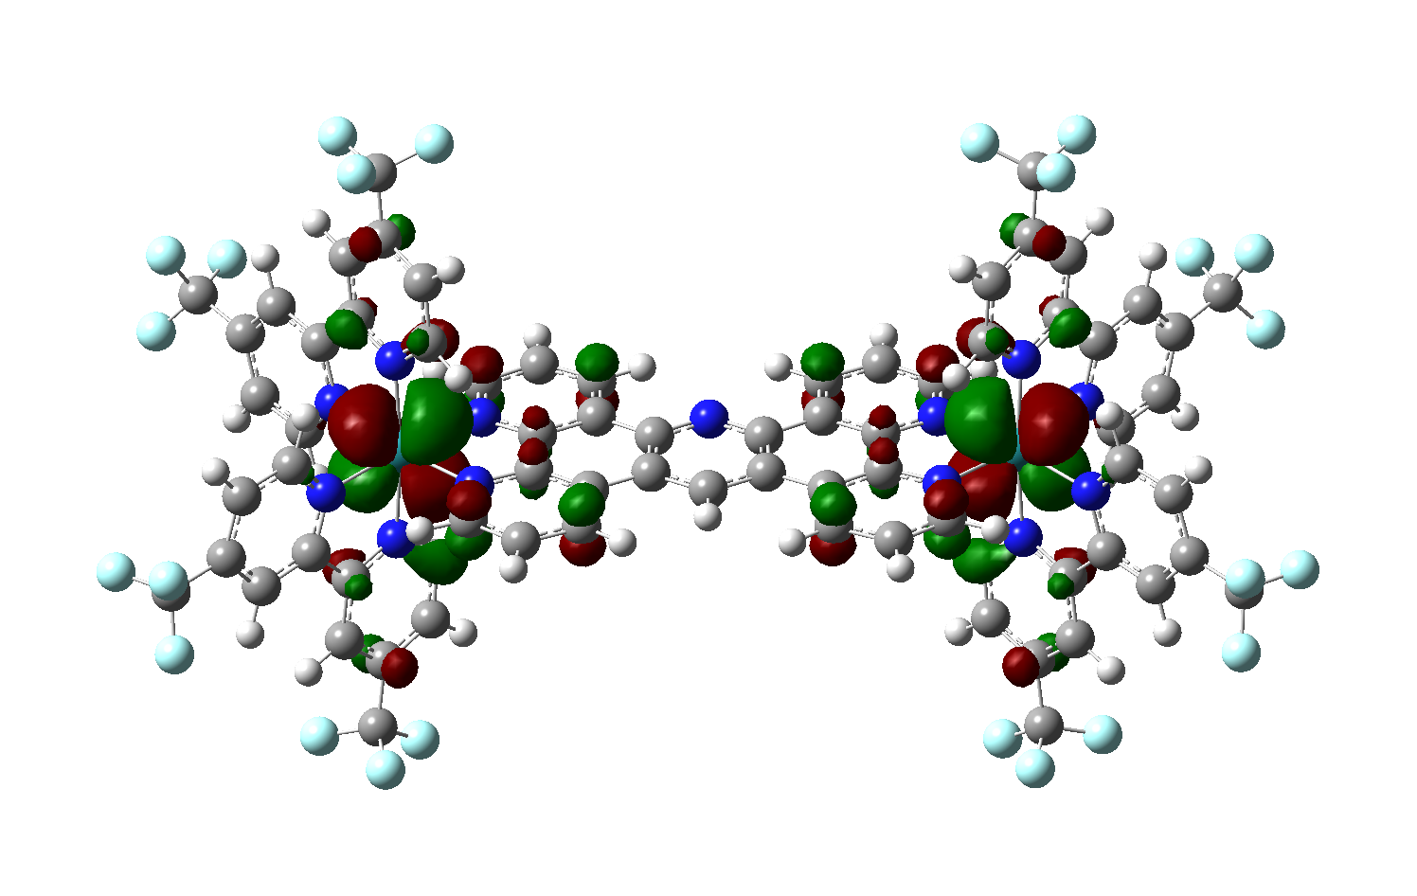
Orbital | Energy (hartree) | Energy (eV)
400 | -0.2229 | -6.07
401 | -0.2229 | -6.07
402 | -0.2215 | -6.03
403 | -0.2207 | -6.01

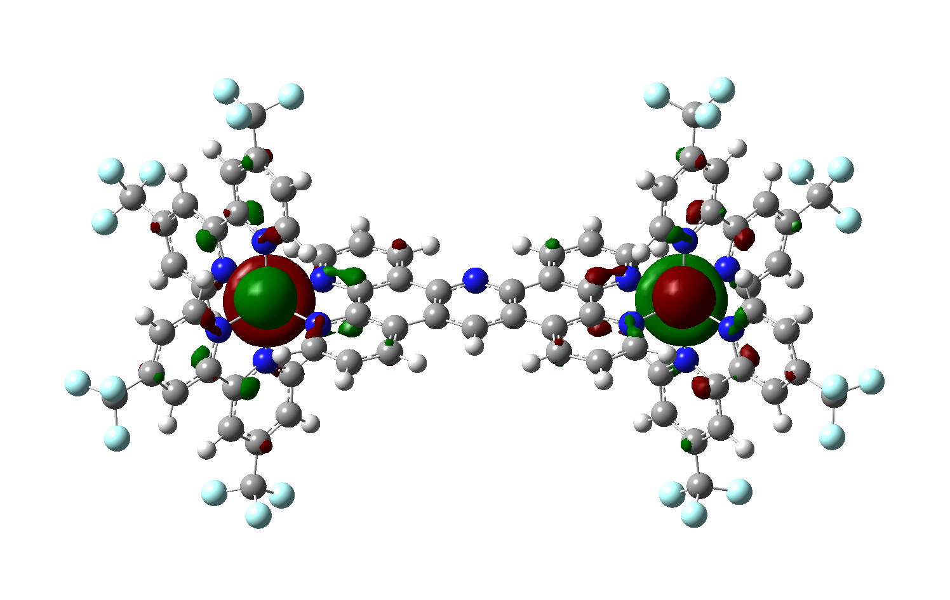
404 | -0.2112 | -5.75
405 | -0.2112 | -5.75 | HOMO

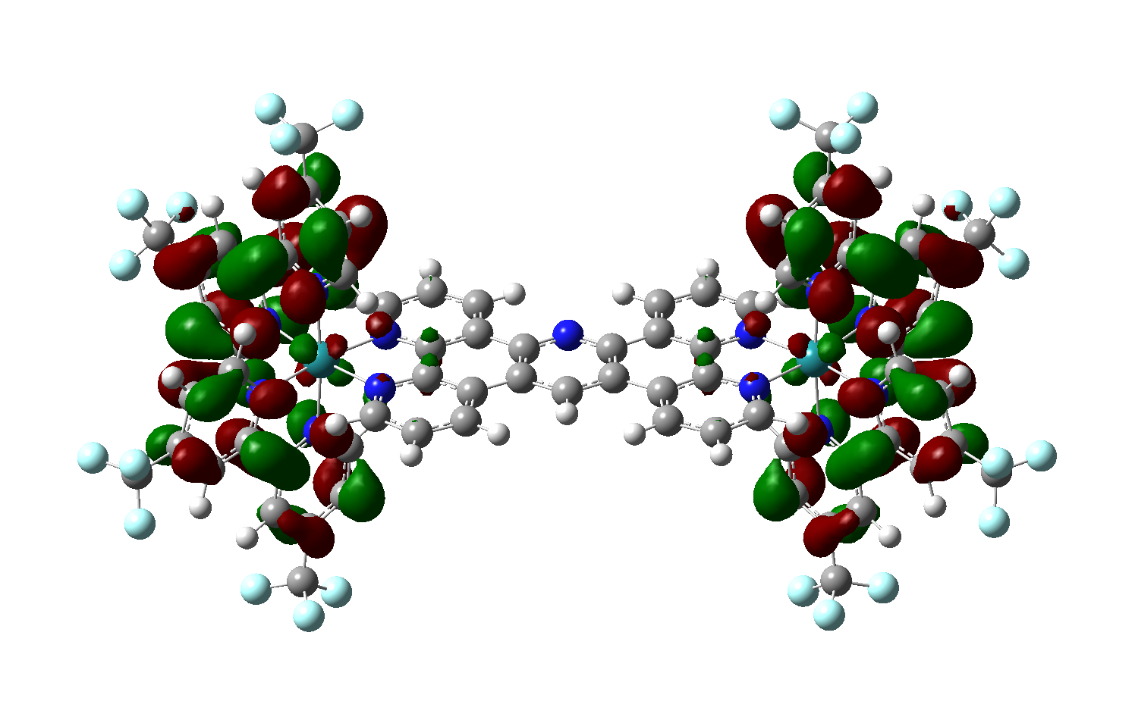
406 | -0.1405 | -3.82
407 | -0.1404 | -3.82
408 | -0.1367 | -3.72
409 | -0.1367 | -3.72

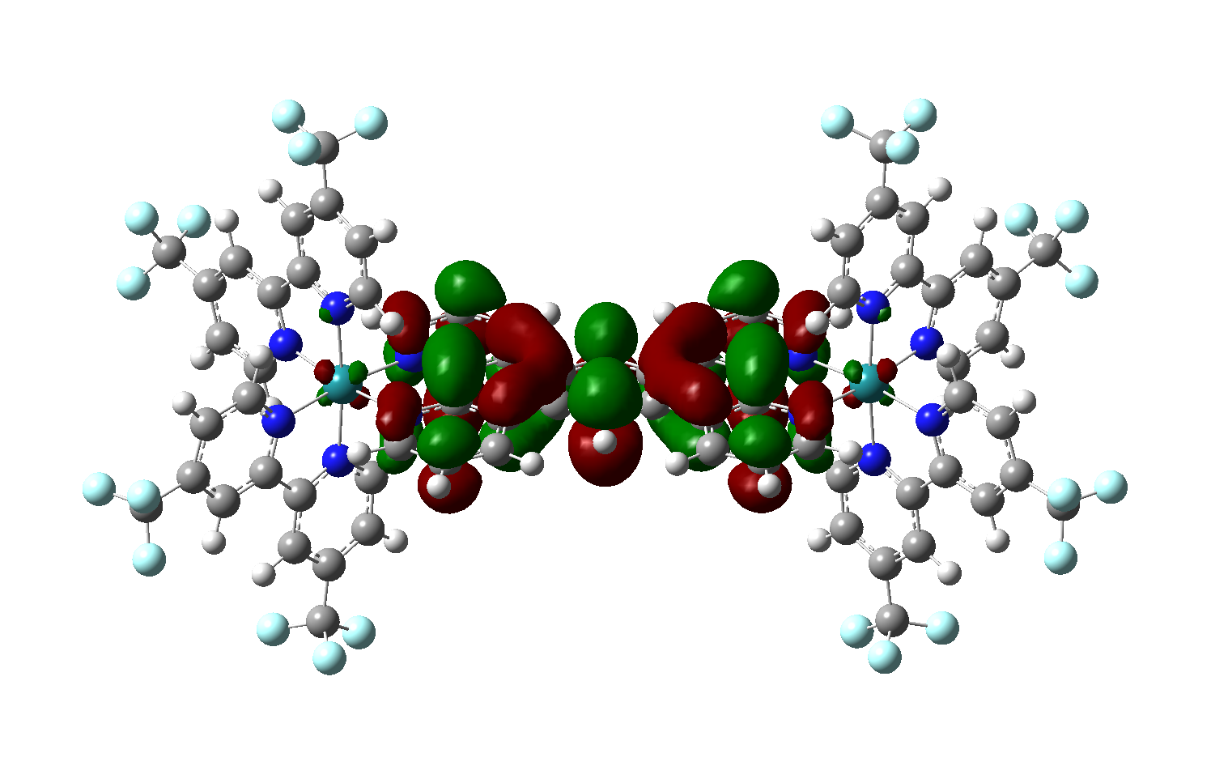
410 | -0.1337 | -3.64

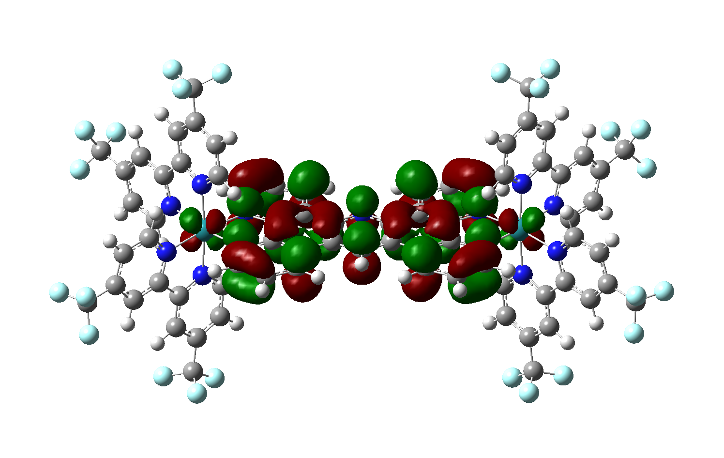
411 | -0.1283 | -3.49
412 | -0.1265 | -3.44
413 | -0.1254 | -3.41

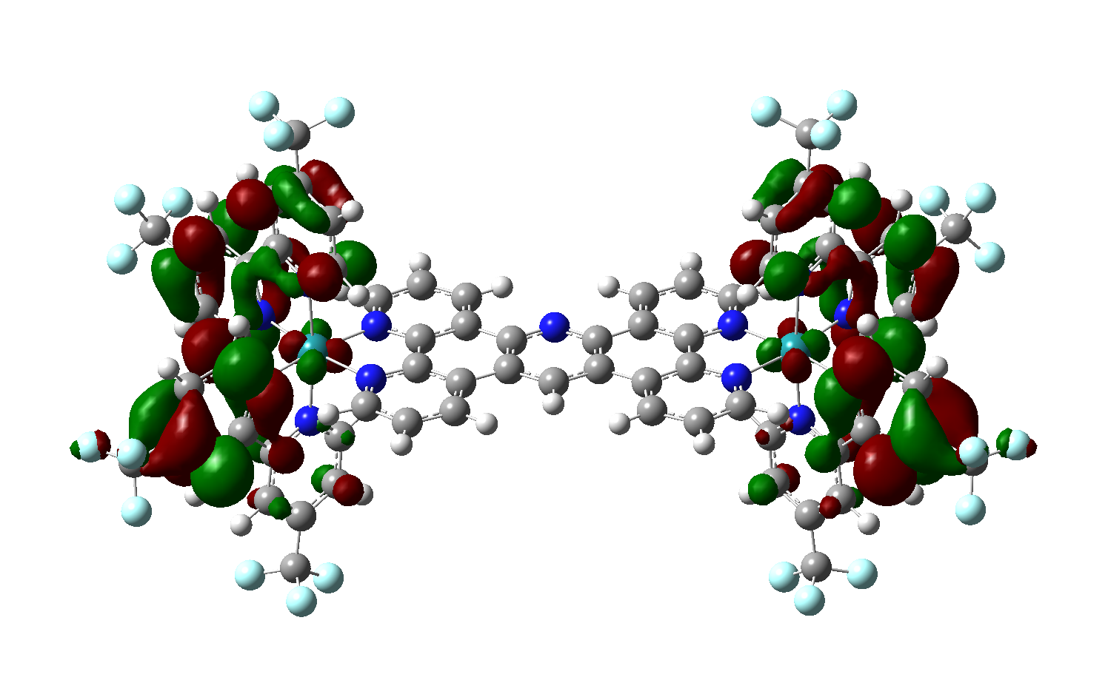
414 | -0.1101 | -3.00
415 | -0.1093 | -2.97
416 | -0.1057 | -2.88
417 | -0.1056 | -2.87
418 | -0.1036 | -2.82
419 | -0.1035 | -2.82
420 | -0.1023 | -2.78
421 | -0.1015 | -2.76

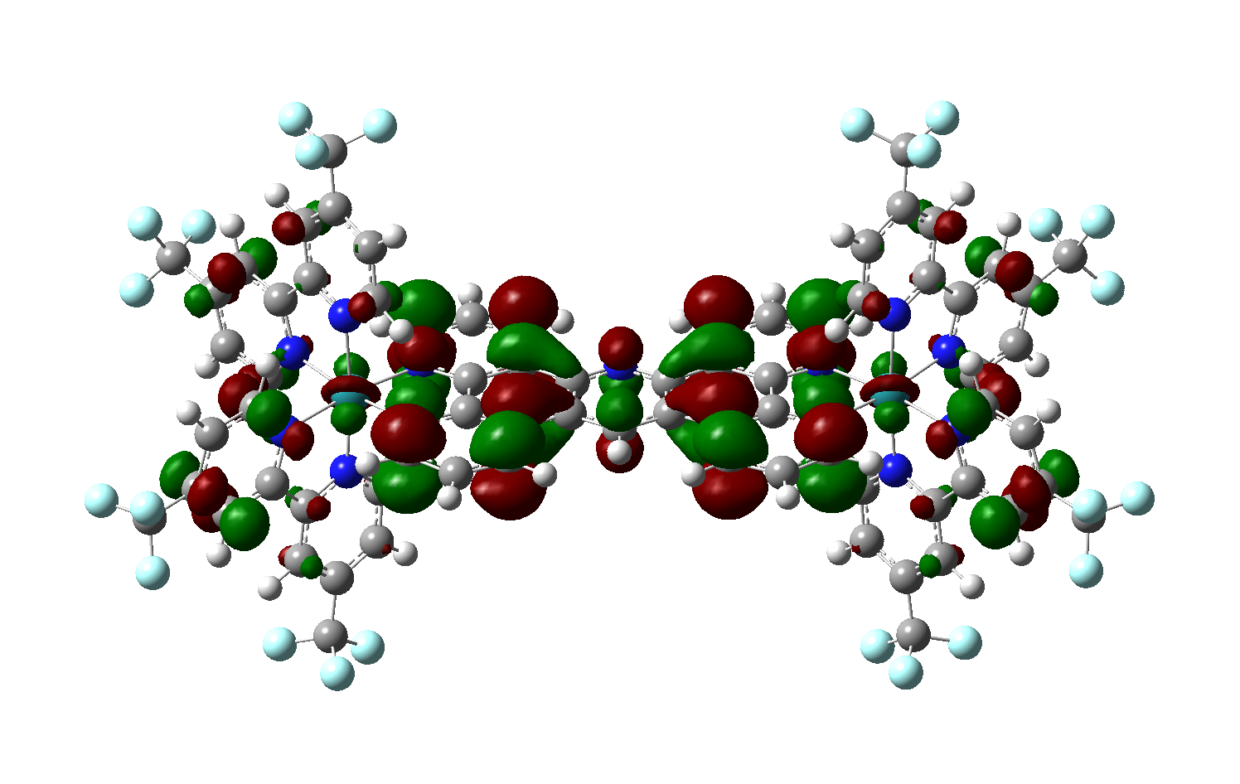
422 | -0.0995 | -2.71

